Sheet1
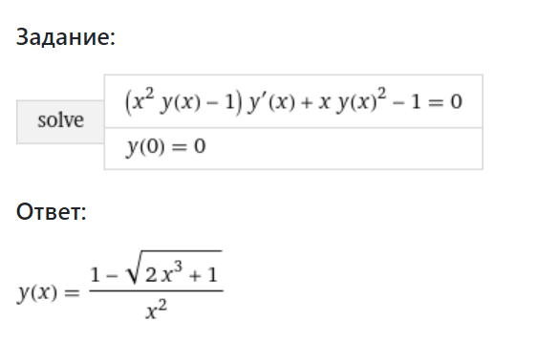
Formula: |  | Euler recalculation: |  | 0.0016835016835 | 0.052188552189 | 0.10269360269 | 0.1531986532 | 0.2037037037 | 0.25420875421 | 0.30471380471 | 0.35521885522 | 0.40572390572 | 0.45622895623 | 0.50673400673 | 0.55723905724 | 0.60774410774 | 0.65824915825 | 0.70875420875 | 0.75925925926 | 0.80976430976 | 0.86026936027 | 0.91077441077 | 0.96127946128
x = | y = | x = | y = | -0.0016835016755 | -0.05 | -0.10 | -0.15 | -0.20 | -0.25 | -0.30 | -0.35 | -0.39 | -0.44 | -0.47746440899 | -0.51591415845 | -0.55156142692 | -0.58428752002 | -0.61404970354 | -0.6408740316 | -0.66484417836 | -0.68608842966 | -0.7047666263 | -0.72105829688
0.0016835016835 | -0.0016835016918 | 0.0016835016835 | -0.0016835016755
0.0521885521886 | -0.0521848435947 | 0.0521885521886 | -0.0521848397363
0.1026936026936 | -0.1026380540315 | 0.1026936026936 | -0.1026380391235
0.1531986531987 | -0.1529242226448 | 0.1531986531987 | -0.1529241896561 |  |  |  |  |  | 0.0016835016835 | -0.0016835016755
0.2037037037037 | -0.2028499791157 | 0.2037037037037 | -0.2028499214278 |  |  |  |  |  | 0.052188552189 | -0.05
0.2542087542088 | -0.2521543591123 | 0.2542087542088 | -0.2521542708614 |  |  |  |  |  | 0.10269360269 | -0.10
0.3047138047138 | -0.3005210067645 | 0.3047138047138 | -0.3005208832302 |  |  |  |  |  | 0.1531986532 | -0.15
0.3552188552189 | -0.3475961026717 | 0.3552188552189 | -0.3475959406451 |  |  |  |  |  | 0.2037037037 | -0.20
0.4057239057239 | -0.3930111158801 | 0.4057239057239 | -0.3930109139349 |  |  |  |  |  | 0.25420875421 | -0.25
0.4562289562290 | -0.4364081464296 | 0.4562289562290 | -0.4364079050319 |  |  |  |  |  | 0.30471380471 | -0.30
0.5067340067340 | -0.4774646875637 | 0.5067340067340 | -0.4774644089865 |  |  |  |  |  | 0.35521885522 | -0.35
0.5572390572391 | -0.5159144703971 | 0.5572390572391 | -0.5159141584501 |  |  |  |  |  | 0.40572390572 | -0.39
0.6077441077441 | -0.5515617672927 | 0.6077441077441 | -0.5515614269170 |  |  |  |  |  | 0.45622895623 | -0.44
0.6582491582492 | -0.5842878832162 | 0.6582491582492 | -0.5842875200181 |  |  |  |  |  | 0.50673400673 | -0.47746440899
0.7087542087542 | -0.6140500837431 | 0.7087542087542 | -0.6140497035409 |  |  |  |  |  | 0.55723905724 | -0.51591415845
0.7592592592593 | -0.6408744231583 | 0.7592592592593 | -0.6408740315988 |  |  |  |  |  | 0.60774410774 | -0.55156142692
0.8097643097643 | -0.6648445760891 | 0.8097643097643 | -0.6648441783647 |  |  |  |  |  | 0.65824915825 | -0.58428752002
0.8602693602694 | -0.6860888289855 | 0.8602693602694 | -0.6860884296580 |  |  |  |  |  | 0.70875420875 | -0.61404970354
0.9107744107744 | -0.7047670233860 | 0.9107744107744 | -0.7047666263047 |  |  |  |  |  | 0.75925925926 | -0.6408740316
0.9612794612795 | -0.7210586885856 | 0.9612794612795 | -0.7210582968784 |  |  |  |  |  | 0.80976430976 | -0.66484417836
 |  |  |  |  |  |  |  |  | 0.86026936027 | -0.68608842966
 |  |  |  |  |  |  |  |  | 0.91077441077 | -0.7047666263
 |  |  |  |  |  |  |  |  | 0.96127946128 | -0.72105829688

